Descriptive_Statistics
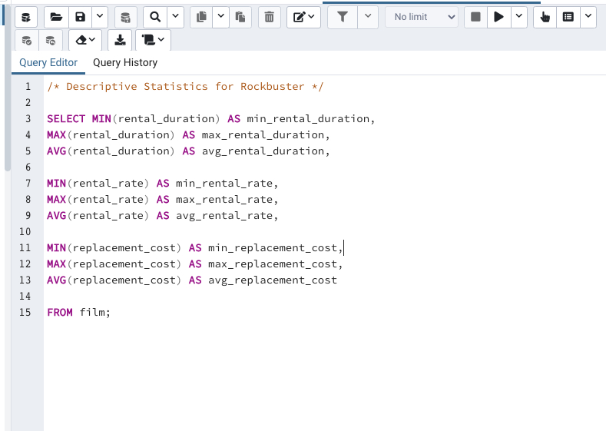
min_rental_duration | max_rental_duration | avg_rental_duration | min_rental_rate | max_rental_rate | avg_rental_rate | min_replacement_cost | max_replacement_cost | avg_replacement_cost
3 | 7 | 4.985 | 0.99 | 4.99 | 2.98 | 9.99 | 29.99 | 19.984

top10 customers
country | top_10_customers
India | 60
China | 53
United States | 36
Japan | 31
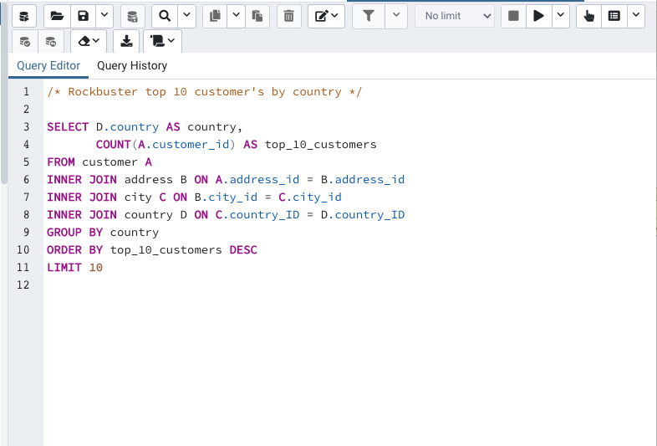
Mexico | 30
Brazil | 28
Russian Federation | 28
Philippines | 20
Turkey | 15
Indonesia | 14

customer count payment
country | customer_count | total_payment
Thailand | 92 | 401.08
Virgin Islands, U.S. | 31 | 121.69
Faroe Islands | 24 | 96.76
Bangladesh | 81 | 353.19
Indonesia | 331 | 1352.69
Italy | 174 | 753.26
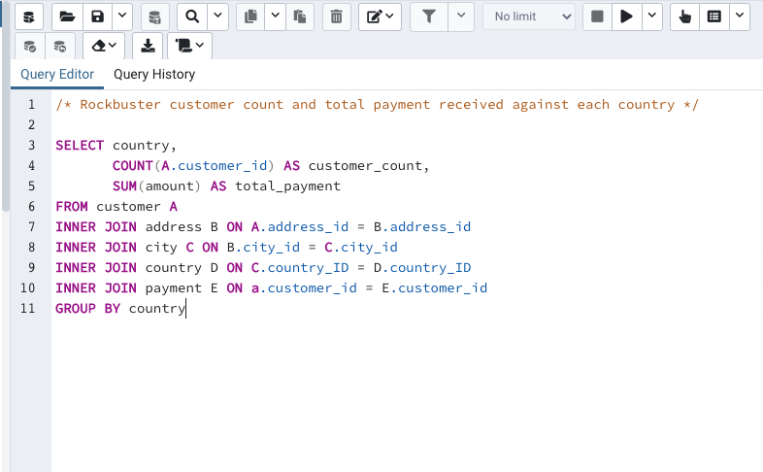
Venezuela | 157 | 632.43
Oman | 44 | 161.56
Cameroon | 51 | 186.49
Czech Republic | 28 | 132.72
Sweden | 33 | 139.67
Congo, The Democratic Republic of the | 42 | 168.58
United Kingdom | 204 | 850.96
Dominican Republic | 74 | 304.26
Cambodia | 49 | 179.51
Germany | 176 | 741.24
American Samoa | 15 | 47.85
Canada | 130 | 559.7
Sri Lanka | 27 | 103.73
Brunei | 34 | 107.66
Finland | 21 | 78.79
South Korea | 123 | 527.77
Anguilla | 32 | 99.68
Colombia | 146 | 661.54
Saint Vincent and the Grenadines | 18 | 64.82
Runion | 45 | 211.55
Saudi Arabia | 106 | 452.94
Ukraine | 147 | 675.53
Argentina | 320 | 1298.8
Liechtenstein | 26 | 99.74
Latvia | 57 | 249.43
North Korea | 29 | 107.71
Azerbaijan | 47 | 198.53
Holy See (Vatican City State) | 32 | 146.68
Greece | 46 | 204.54
Egypt | 152 | 659.48
Afghanistan | 18 | 67.82
Chad | 28 | 122.72
Puerto Rico | 52 | 224.48
India | 1422 | 6034.78
Iran | 204 | 877.96
French Polynesia | 48 | 205.52
Chile | 66 | 303.34
Algeria | 82 | 349.18
Gambia | 27 | 114.73
France | 88 | 334.12
Estonia | 28 | 105.72
Vietnam | 155 | 676.45
Slovakia | 23 | 80.77
Israel | 87 | 379.13
South Africa | 254 | 1069.46
Peru | 99 | 407.01
Nauru | 30 | 143.7
Malaysia | 77 | 330.23
Senegal | 24 | 95.76
Kenya | 51 | 245.49
Kazakstan | 49 | 192.51
Zambia | 30 | 121.7
Hong Kong | 24 | 104.76
Kuwait | 25 | 106.75
Madagascar | 21 | 92.79
Yugoslavia | 51 | 233.49
Japan | 749 | 3122.51
Philippines | 530 | 2219.7
Tuvalu | 22 | 93.78
United States | 869 | 3685.31
Iraq | 27 | 111.73
Turkey | 351 | 1498.49
Nigeria | 308 | 1314.92
Mozambique | 75 | 315.25
Switzerland | 59 | 248.41
New Zealand | 23 | 85.77
Ecuador | 82 | 369.18
Hungary | 29 | 111.71
China | 1297 | 5251.03
Armenia | 25 | 118.75
Belarus | 64 | 271.36
Pakistan | 116 | 473.84
Russian Federation | 638 | 2765.62
Netherlands | 127 | 557.73
Romania | 58 | 218.42
Paraguay | 60 | 273.4
Brazil | 681 | 2919.19
Austria | 70 | 284.3
Bolivia | 44 | 178.56
Ethiopia | 23 | 91.77
Angola | 45 | 187.55
Bahrain | 24 | 108.76
Yemen | 107 | 473.93
Lithuania | 22 | 63.78
Bulgaria | 48 | 194.52
Spain | 120 | 513.8
Turkmenistan | 26 | 126.74
Tunisia | 22 | 73.78
Sudan | 49 | 202.51
United Arab Emirates | 75 | 305.25
Malawi | 27 | 121.73
Morocco | 65 | 274.35
Moldova | 34 | 127.66
Myanmar | 47 | 179.53
Mexico | 718 | 2984.82
Nepal | 17 | 93.83
Tonga | 16 | 64.84
Tanzania | 78 | 322.22
Poland | 184 | 786.16
Taiwan | 290 | 1155.1
French Guiana | 20 | 97.8
Greenland | 28 | 119.72

cityandcountry revenue
city | country | total_revenue
Saint-Denis | Runion | $211.55
Cape Coral | United States | $208.58
Santa Brbara dOeste | Brazil | $194.61
Apeldoorn | Netherlands | $191.62
Molodetno | Belarus | $189.60
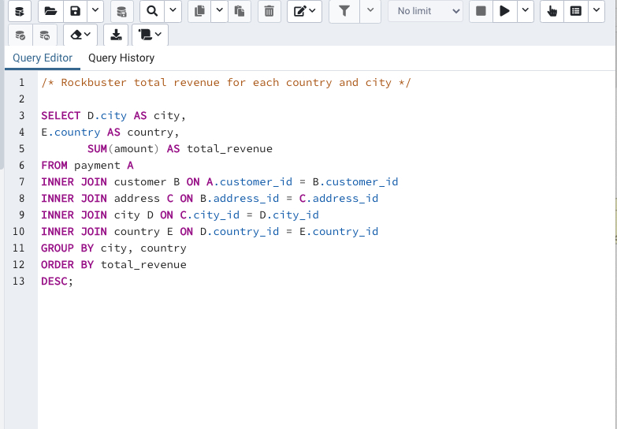
Qomsheh | Iran | $183.63
London | United Kingdom | $174.54
Memphis | United States | $167.67
Richmond Hill | Canada | $167.62
Tanza | Philippines | $166.61
Valparai | India | $162.67
Santa Rosa | Philippines | $161.68
Aurora | United States | $159.58
Ourense (Orense) | Spain | $158.65
Hodeida | Yemen | $157.69
Tanauan | Philippines | $156.66
Halisahar | India | $154.70
Bijapur | India | $154.66
Usolje-Sibirskoje | Russian Federation | $152.69
Probolinggo | Indonesia | $152.68
Sumy | Ukraine | $151.73
Zhoushan | China | $151.69
Skikda | Algeria | $151.68
Cam Ranh | Vietnam | $149.69
Changhwa | Taiwan | $149.61
Bhilwara | India | $147.71
Songkhla | Thailand | $146.68
Citt del Vaticano | Holy See (Vatican City State) | $146.68
Tangail | Bangladesh | $146.68
Fuyu | China | $146.67
Maikop | Russian Federation | $145.70
Balikesir | Turkey | $145.64
Omdurman | Sudan | $144.70
Arecibo | Puerto Rico | $144.68
Hsichuh | Taiwan | $144.66
Yangor | Nauru | $143.70
Uruapan | Mexico | $143.68
Daugavpils | Latvia | $142.70
Nakhon Sawan | Thailand | $142.69
Lengshuijiang | China | $142.67
Beira | Mozambique | $142.66
Vila Velha | Brazil | $141.71
Rae Bareli | India | $141.69
Belm | Brazil | $140.69
Nyeri | Kenya | $139.72
Shubra al-Khayma | Egypt | $139.69
Najafabad | Iran | $139.69
Malm | Sweden | $139.67
Naju | South Korea | $138.69
Shimonoseki | Japan | $138.65
Sincelejo | Colombia | $137.72
Ife | Nigeria | $137.70
Bergamo | Italy | $137.67
Wroclaw | Poland | $135.72
Robamba | Ecuador | $135.70
Fengshan | Taiwan | $135.68
Juiz de Fora | Brazil | $134.73
Cuauhtmoc | Mexico | $134.72
Akron | United States | $134.71
Dos Quebradas | Colombia | $134.70
Aden | Yemen | $134.70
Usak | Turkey | $134.69
Bhopal | India | $134.68
Nantou | Taiwan | $134.65
Imus | Philippines | $133.72
Omiya | Japan | $133.71
Batman | Turkey | $133.70
Changzhou | China | $133.68
Olomouc | Czech Republic | $132.72
Binzhou | China | $132.70
Tychy | Poland | $132.65
Nam Dinh | Vietnam | $131.74
Osmaniye | Turkey | $131.73
Moscow | Russian Federation | $131.69
Boksburg | South Africa | $131.69
Athenai | Greece | $130.76
Kragujevac | Yugoslavia | $130.72
Salamanca | Mexico | $130.72
Siliguri (Shiliguri) | India | $130.70
Boa Vista | Brazil | $130.68
Tokat | Turkey | $130.68
Lancaster | United States | $129.72
Avellaneda | Argentina | $129.71
Ashdod | Israel | $129.70
Jinchang | China | $129.68
Yinchuan | China | $128.73
Ilorin | Nigeria | $128.71
Qinhuangdao | China | $128.71
Atlixco | Mexico | $128.70
Mannheim | Germany | $128.69
Erlangen | Germany | $127.73
Syrakusa | Italy | $127.73
Fukuyama | Japan | $127.69
Nha Trang | Vietnam | $127.69
Chisinau | Moldova | $127.66
Ashgabat | Turkmenistan | $126.74
Blumenau | Brazil | $126.73
Sterling Heights | United States | $126.73
Vancouver | Canada | $126.73
Huixquilucan | Mexico | $126.72
Duisburg | Germany | $126.70
Purnea (Purnia) | India | $125.74
Coatzacoalcos | Mexico | $125.74
Kolpino | Russian Federation | $125.72
Urawa | Japan | $125.68
Santo Andr | Brazil | $125.67
Antofagasta | Chile | $124.74
La Plata | Argentina | $124.71
Ikerre | Nigeria | $124.68
Liaocheng | China | $124.66
Parbhani | India | $123.74
San Bernardino | United States | $123.74
Pontianak | Indonesia | $123.72
Cabuyao | Philippines | $123.71
Fontana | United States | $123.70
Davao | Philippines | $123.70
Lungtan | Taiwan | $123.66
Goinia | Brazil | $122.74
Ozamis | Philippines | $122.74
NDjamna | Chad | $122.72
Kakamigahara | Japan | $122.71
Lapu-Lapu | Philippines | $122.70
Lhokseumawe | Indonesia | $122.69
Vijayawada | India | $121.77
Lilongwe | Malawi | $121.73
York | United Kingdom | $121.73
Kitwe | Zambia | $121.70
El Fuerte | Mexico | $121.70
Charlotte Amalie | Virgin Islands, U.S. | $121.69
Mit Ghamr | Egypt | $120.75
Kirovo-Tepetsk | Russian Federation | $120.74
Sawhaj | Egypt | $120.74
Brindisi | Italy | $120.71
Lima | Peru | $120.70
Mysore | India | $119.76
Emeishan | China | $119.75
Pjatigorsk | Russian Federation | $119.74
Sungai Petani | Malaysia | $119.72
Nuuk | Greenland | $119.72
Simferopol | Ukraine | $118.76
Loja | Ecuador | $118.75
Yerevan | Armenia | $118.75
Hunuco | Peru | $118.73
Jastrzebie-Zdrj | Poland | $118.70
Toulouse | France | $118.70
Botosani | Romania | $118.69
Otsu | Japan | $117.77
Southampton | United Kingdom | $117.77
Quilmes | Argentina | $117.76
Joliet | United States | $117.75
Pudukkottai | India | $117.75
Zhezqazghan | Kazakstan | $117.72
Jedda | Saudi Arabia | $116.76
Brockton | United States | $116.75
Miyakonojo | Japan | $116.74
Karnal | India | $116.73
Mandaluyong | Philippines | $116.73
Baybay | Philippines | $116.72
Satna | India | $116.71
Papeete | French Polynesia | $115.74
Bhimavaram | India | $115.72
Korolev | Russian Federation | $115.71
Greensboro | United States | $115.70
Tabriz | Iran | $114.76
Iwakuni | Japan | $114.74
Banjul | Gambia | $114.73
Portoviejo | Ecuador | $114.73
Cavite | Philippines | $114.72
Merlo | Argentina | $114.72
Sasebo | Japan | $114.70
Naala-Porto | Mozambique | $113.77
Brescia | Italy | $113.75
Tiefa | China | $113.74
Salzburg | Austria | $113.74
Touliu | Taiwan | $113.73
Leshan | China | $113.73
Dadu | Pakistan | $113.72
Sorocaba | Brazil | $113.71
Datong | China | $113.70
Huejutla de Reyes | Mexico | $112.76
Ruse | Bulgaria | $112.76
Lincoln | United States | $112.75
Jhansi | India | $112.74
Mukateve | Ukraine | $112.73
Shaoguan | China | $112.72
Maracabo | Venezuela | $111.77
Ambattur | India | $111.76
Onomichi | Japan | $111.76
Tanshui | Taiwan | $111.74
Cuman | Venezuela | $111.73
Mosul | Iraq | $111.73
Graz | Austria | $111.73
Pak Kret | Thailand | $111.71
Szkesfehrvr | Hungary | $111.71
Haldia | India | $111.71
Kuwana | Japan | $110.77
Santiago de los Caballeros | Dominican Republic | $110.76
Baiyin | China | $110.76
Coquimbo | Chile | $110.74
Taizz | Yemen | $110.73
Yuncheng | China | $110.73
Meixian | China | $110.72
Bilbays | Egypt | $110.72
Jinzhou | China | $110.71
Xiangfan | China | $110.68
Udaipur | India | $109.77
Tonghae | South Korea | $109.77
Cuernavaca | Mexico | $109.76
Zanzibar | Tanzania | $109.75
Southend-on-Sea | United Kingdom | $109.75
Nabereznyje Telny | Russian Federation | $109.73
Baicheng | China | $109.73
Kurgan | Russian Federation | $109.73
Mwanza | Tanzania | $109.72
Uluberia | India | $109.72
Kamjanets-Podilskyi | Ukraine | $109.72
Shanwei | China | $109.71
Benin City | Nigeria | $108.78
Jining | China | $108.77
al-Manama | Bahrain | $108.76
Ogbomosho | Nigeria | $108.76
Sivas | Turkey | $108.75
Sumqayit | Azerbaijan | $108.75
Akishima | Japan | $108.73
Ciomas | Indonesia | $108.72
Chandrapur | India | $108.71
Donostia-San Sebastin | Spain | $107.79
Plock | Poland | $107.78
Guaruj | Brazil | $107.77
Dhaka | Bangladesh | $107.74
Soshanguve | South Africa | $107.73
Batna | Algeria | $107.73
Weifang | China | $107.73
Pyongyang | North Korea | $107.71
Poos de Caldas | Brazil | $107.70
San Felipe de Puerto Plata | Dominican Republic | $107.70
Bandar Seri Begawan | Brunei | $107.66
Stockport | United Kingdom | $106.79
Iwaki | Japan | $106.77
Mexicali | Mexico | $106.77
Bern | Switzerland | $106.76
Jalib al-Shuyukh | Kuwait | $106.75
Pemalang | Indonesia | $106.74
Johannesburg | South Africa | $106.74
Liepaja | Latvia | $106.73
Rockford | United States | $106.73
Ljubertsy | Russian Federation | $106.73
A Corua (La Corua) | Spain | $106.72
Hohhot | China | $106.68
Sogamoso | Colombia | $105.78
Santa F | Argentina | $105.78
Smolensk | Russian Federation | $105.78
Dayton | United States | $105.77
Kisumu | Kenya | $105.77
Kuching | Malaysia | $105.76
Dallas | United States | $105.76
Iwatsuki | Japan | $105.74
Nador | Morocco | $105.74
Augusta-Richmond County | United States | $105.73
Tartu | Estonia | $105.72
Munger (Monghyr) | India | $105.70
San Lorenzo | Paraguay | $104.79
Sultanbeyli | Turkey | $104.78
Kowloon and New Kowloon | Hong Kong | $104.76
Etawah | India | $104.75
Ipoh | Malaysia | $104.75
Kamarhati | India | $104.74
Rustenburg | South Africa | $104.74
Shikarpur | Pakistan | $104.73
Atinsk | Russian Federation | $104.72
Tongliao | China | $104.71
Ede | Netherlands | $103.78
Patiala | India | $103.77
Owo | Nigeria | $103.77
Sunnyvale | United States | $103.74
Uijongbu | South Korea | $103.74
Bhusawal | India | $103.74
Jaffna | Sri Lanka | $103.73
Mardan | Pakistan | $103.73
Sharja | United Arab Emirates | $102.78
Novi Sad | Yugoslavia | $102.77
Kamyin | Russian Federation | $102.77
al-Ayn | United Arab Emirates | $102.76
Celaya | Mexico | $102.76
Tabora | Tanzania | $102.75
Po | Brazil | $102.75
Lipetsk | Russian Federation | $101.79
Dongying | China | $101.78
Jelets | Russian Federation | $101.77
Garden Grove | United States | $101.76
Tandil | Argentina | $101.70
Acua | Mexico | $100.77
Czestochowa | Poland | $100.76
Chungho | Taiwan | $100.76
Halle/Saale | Germany | $100.75
Vicente Lpez | Argentina | $100.75
Pune | India | $100.72
Isesaki | Japan | $99.78
Sagamihara | Japan | $99.77
Ahmadnagar | India | $99.74
Vaduz | Liechtenstein | $99.74
Bucuresti | Romania | $99.73
Ueda | Japan | $99.72
Abu Dhabi | United Arab Emirates | $99.71
South Hill | Anguilla | $99.68
Kimberley | South Africa | $98.82
Jamalpur | Bangladesh | $98.77
Allappuzha (Alleppey) | India | $98.76
San Juan Bautista Tuxtepec | Mexico | $98.75
Higashiosaka | Japan | $98.75
Vitria de Santo Anto | Brazil | $98.75
Iligan | Philippines | $98.74
Cayenne | French Guiana | $97.80
Adoni | India | $97.80
Florencia | Colombia | $97.79
Sokoto | Nigeria | $97.78
ostka | Ukraine | $97.78
Deba Habe | Nigeria | $97.78
Firozabad | India | $97.78
Varanasi (Benares) | India | $97.77
Jos Azueta | Mexico | $97.75
Monywa | Myanmar | $97.75
Bhavnagar | India | $96.79
Palghat (Palakkad) | India | $96.79
Salinas | United States | $96.79
Springs | South Africa | $96.78
Bamenda | Cameroon | $96.78
Allende | Mexico | $96.77
Citrus Heights | United States | $96.77
Effon-Alaiye | Nigeria | $96.76
Trshavn | Faroe Islands | $96.76
Escobar | Argentina | $96.76
Laohekou | China | $96.75
Madiun | Indonesia | $96.75
Rio Claro | Brazil | $96.74
Rajkot | India | $95.80
Carmen | Mexico | $95.79
Ivanovo | Russian Federation | $95.79
La Paz | Mexico | $95.78
Livorno | Italy | $95.78
Pereira | Colombia | $95.78
Yuzhou | China | $95.78
Ziguinchor | Senegal | $95.76
Xinxiang | China | $95.76
Haiphong | Vietnam | $95.76
Botshabelo | South Africa | $95.72
Sal | Morocco | $94.81
Shivapuri | India | $94.78
Hidalgo | Mexico | $94.78
Warren | United States | $94.77
Jakarta | Indonesia | $94.76
Tel Aviv-Jaffa | Israel | $94.76
Esfahan | Iran | $94.76
Sanya | China | $94.76
Caracas | Venezuela | $94.75
Birgunj | Nepal | $93.83
Newcastle | South Africa | $93.80
Benguela | Angola | $93.80
San Felipe del Progreso | Mexico | $93.79
So Leopoldo | Brazil | $93.79
Rampur | India | $93.78
Funafuti | Tuvalu | $93.78
Tama | Japan | $93.76
Anpolis | Brazil | $93.75
Namibe | Angola | $93.75
Kermanshah | Iran | $93.74
Yamuna Nagar | India | $93.74
Juazeiro do Norte | Brazil | $92.81
So Bernardo do Campo | Brazil | $92.80
Angra dos Reis | Brazil | $92.80
Okinawa | Japan | $92.79
Mahajanga | Madagascar | $92.79
Sucre | Bolivia | $92.78
Suihua | China | $92.78
Battambang | Cambodia | $92.76
Compton | United States | $92.76
Peoria | United States | $92.75
Bayugan | Philippines | $92.75
Emmen | Netherlands | $92.75
Okayama | Japan | $91.81
Talavera | Philippines | $91.81
Bellevue | United States | $91.80
Nanyang | China | $91.79
Witten | Germany | $91.78
al-Qatif | Saudi Arabia | $91.78
Addis Abeba | Ethiopia | $91.77
Monclova | Mexico | $91.75
Cuautla | Mexico | $91.75
Daxian | China | $91.70
Tuguegarao | Philippines | $90.78
Aparecida de Goinia | Brazil | $90.78
Kimchon | South Korea | $90.77
Arak | Iran | $90.75
Gingoog | Philippines | $90.73
Haining | China | $89.80
Baku | Azerbaijan | $89.78
Chiayi | Taiwan | $89.78
Guadalajara | Mexico | $89.78
Faaa | French Polynesia | $89.78
Buenaventura | Colombia | $89.77
Ondo | Nigeria | $89.77
Bchar | Algeria | $89.77
Eskisehir | Turkey | $89.77
Idfu | Egypt | $89.77
Halifax | Canada | $89.76
Kurashiki | Japan | $89.76
Yaound | Cameroon | $89.71
Tianjin | China | $88.81
Coacalco de Berriozbal | Mexico | $88.81
Alessandria | Italy | $88.80
Mwene-Ditu | Congo, The Democratic Republic of the | $88.80
Amersfoort | Netherlands | $88.78
Jaipur | India | $88.78
Uttarpara-Kotrung | India | $88.77
Nagareyama | Japan | $88.76
Torren | Mexico | $88.75
Taguig | Philippines | $88.73
Elista | Russian Federation | $87.82
Gorontalo | Indonesia | $87.81
Arlington | United States | $87.80
Vinh | Vietnam | $87.80
Gatineau | Canada | $87.80
Kanazawa | Japan | $87.80
Oshawa | Canada | $87.79
Asuncin | Paraguay | $87.79
guas Lindas de Gois | Brazil | $87.78
Zeleznogorsk | Russian Federation | $87.77
Sullana | Peru | $87.77
Chapra | India | $86.82
Lublin | Poland | $86.81
Shimoga | India | $86.81
Siegen | Germany | $86.81
Ashqelon | Israel | $86.81
Pingxiang | China | $86.80
Xiangtan | China | $86.80
Sambhal | India | $86.79
Zaria | Nigeria | $86.77
Abha | Saudi Arabia | $86.77
Katihar | India | $86.76
Garland | United States | $86.75
Balurghat | India | $86.75
Phnom Penh | Cambodia | $86.75
Nezahualcyotl | Mexico | $86.73
La Romana | Dominican Republic | $85.80
Serpuhov | Russian Federation | $85.80
Almirante Brown | Argentina | $85.78
El Alto | Bolivia | $85.78
Manchester | United States | $85.78
Araatuba | Brazil | $85.77
Crdoba | Argentina | $85.77
Hamilton | New Zealand | $85.77
Surakarta | Indonesia | $85.75
Pangkal Pinang | Indonesia | $84.84
Konotop | Ukraine | $84.81
Balaiha | Russian Federation | $84.81
Valencia | Venezuela | $84.80
Cheju | South Korea | $84.80
Hiroshima | Japan | $84.79
Laredo | United States | $84.75
Clarksville | United States | $83.82
Gaziantep | Turkey | $83.81
Kilis | Turkey | $83.80
Dhule (Dhulia) | India | $83.79
Lausanne | Switzerland | $83.78
Hanoi | Vietnam | $83.77
Rizhao | China | $82.81
Xintai | China | $82.78
Salala | Oman | $82.76
Purwakarta | Indonesia | $81.83
Denizli | Turkey | $81.83
Ocumare del Tuy | Venezuela | $81.81
Kansas City | United States | $81.81
Baha Blanca | Argentina | $81.81
Tabuk | Saudi Arabia | $81.80
Hami | China | $81.80
Myingyan | Myanmar | $81.78
Amroha | India | $81.78
Stara Zagora | Bulgaria | $81.76
Mogiljov | Belarus | $81.76
Laiwu | China | $81.75
Kursk | Russian Federation | $80.85
Sirjan | Iran | $80.83
Ciudad del Este | Paraguay | $80.82
Miraj | India | $80.81
s-Hertogenbosch | Netherlands | $80.80
Tambaram | India | $80.78
Valle de la Pascua | Venezuela | $80.78
Yingkou | China | $80.77
Bratislava | Slovakia | $80.77
Klerksdorp | South Africa | $79.81
Callao | Peru | $79.81
Ponce | Puerto Rico | $79.80
Shahr-e Kord | Iran | $79.80
Lubumbashi | Congo, The Democratic Republic of the | $79.78
Izumisano | Japan | $79.75
Tsuyama | Japan | $78.84
Tieli | China | $78.82
Kaduna | Nigeria | $78.81
Masqat | Oman | $78.80
Paarl | South Africa | $78.80
Oulu | Finland | $78.79
Saint Louis | United States | $78.79
Saarbrcken | Germany | $78.78
Junan | China | $78.77
Mandi Bahauddin | Pakistan | $77.84
Qalyub | Egypt | $77.81
Brest | France | $77.81
Gijn | Spain | $77.80
Huaian | China | $77.79
Toulon | France | $77.78
San Miguel de Tucumn | Argentina | $77.77
Maring | Brazil | $76.82
Grand Prairie | United States | $76.80
Zalantun | China | $76.80
Jodhpur | India | $76.78
al-Hawiya | Saudi Arabia | $75.83
Kalisz | Poland | $75.81
Ranchi | India | $75.80
Alvorada | Brazil | $75.79
Luzinia | Brazil | $75.78
Ezeiza | Argentina | $75.78
Hino | Japan | $74.84
Hoshiarpur | India | $74.83
Chatsworth | South Africa | $74.83
Adana | Turkey | $74.81
El Monte | United States | $74.80
Pavlodar | Kazakstan | $74.79
Dundee | United Kingdom | $74.77
Bag | Brazil | $73.85
Roanoke | United States | $73.83
Okara | Pakistan | $73.82
Syktyvkar | Russian Federation | $73.81
Kamakura | Japan | $73.81
Nagaon | India | $73.81
Beni-Mellal | Morocco | $73.80
Patras | Greece | $73.78
Sousse | Tunisia | $73.78
Cianjur | Indonesia | $73.76
Pathankot | India | $72.83
Braslia | Brazil | $72.82
Southport | United Kingdom | $72.82
Bradford | United Kingdom | $72.79
Kaliningrad | Russian Federation | $71.85
Jaroslavl | Russian Federation | $71.84
Bislig | Philippines | $71.81
Dzerzinsk | Russian Federation | $71.80
Inegl | Turkey | $71.79
Matamoros | Mexico | $71.77
Shenzhen | China | $70.82
Hagonoy | Philippines | $70.82
Sanaa | Yemen | $70.81
Gulbarga | India | $70.81
Gandhinagar | India | $69.83
Jurez | Mexico | $69.79
Zaoyang | China | $69.79
Ibirit | Brazil | $68.87
Zapopan | Mexico | $68.84
Udine | Italy | $68.82
Matsue | Japan | $68.81
Korla | China | $68.77
Bat Yam | Israel | $67.86
Rancagua | Chile | $67.86
Niznekamsk | Russian Federation | $67.86
Kabul | Afghanistan | $67.82
Novoterkassk | Russian Federation | $66.82
Tegal | Indonesia | $66.81
Barcelona | Venezuela | $66.79
Yantai | China | $65.87
Ciparay | Indonesia | $65.83
Pachuca de Soto | Mexico | $65.83
Berhampore (Baharampur) | India | $65.81
Tarsus | Turkey | $64.85
Nukualofa | Tonga | $64.84
Kingstown | Saint Vincent and the Grenadines | $64.82
Ezhou | China | $63.84
Tarlac | Philippines | $63.84
Teboksary | Russian Federation | $63.79
Vilnius | Lithuania | $63.78
Kanchrapara | India | $62.85
Santiago de Compostela | Spain | $62.84
Koriyama | Japan | $62.81
Hubli-Dharwad | India | $59.86
Le Mans | France | $59.83
Linz | Austria | $58.83
Tete | Mozambique | $58.82
Basel | Switzerland | $57.87
Ktahya | Turkey | $57.86
al-Qadarif | Sudan | $57.81
Kumbakonam | India | $56.84
Oyo | Nigeria | $54.85
Valle de Santiago | Mexico | $52.81
Tsaotun | Taiwan | $50.83
Enshi | China | $49.88
Tafuna | American Samoa | $47.85
Tallahassee | United States | $37.87
Fuzhou | China | $32.90
Bydgoszcz | Poland | $27.93

moviewithhigestrevenue
movie_name | rating | total_amount_revenue
Telegraph Voyage | PG | $215.75
Zorro Ark | NC-17 | $199.72
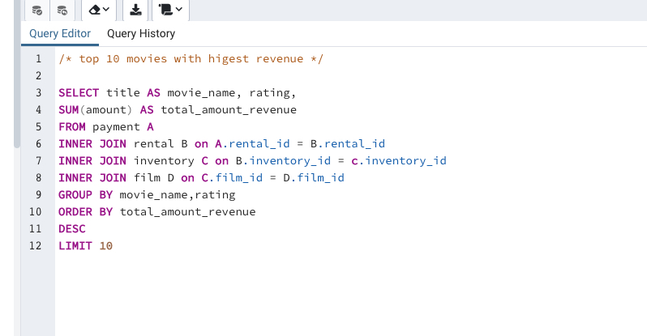
Wife Turn | NC-17 | $198.73
Innocent Usual | PG-13 | $191.74
Hustler Party | NC-17 | $190.78
Saturday Lambs | G | $190.74
Titans Jerk | PG | $186.73
Harry Idaho | PG-13 | $177.73
Torque Bound | G | $169.76
Dogma Family | G | $168.72

movieswithlowestrevenue
movie_name | rating | total_amount_revenue
Texas Watch | NC-17 | $5.94
Oklahoma Jumanji | PG | $5.94
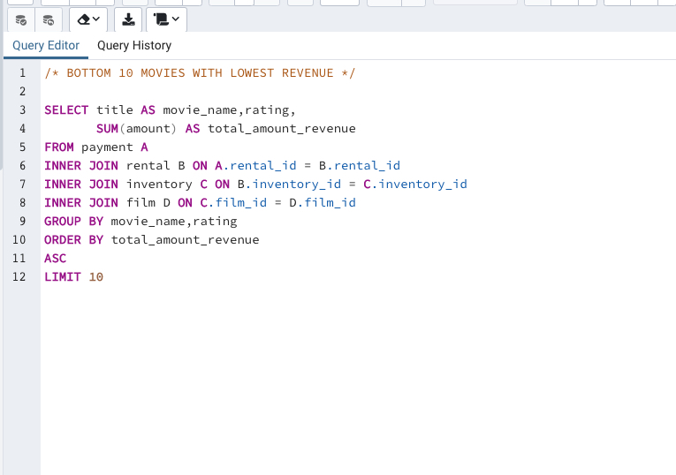
Duffel Apocalypse | G | $5.94
Freedom Cleopatra | PG-13 | $5.95
Young Language | G | $6.93
Rebel Airport | G | $6.93
Treatment Jekyll | PG | $6.94
Cruelty Unforgiven | G | $6.94
Lights Deer | R | $7.93
Japanese Run | G | $7.94

moviegenrevenue
movie_genre | total_amount_revenue
Sports | $4,892.19
Sci-Fi | $4,336.01
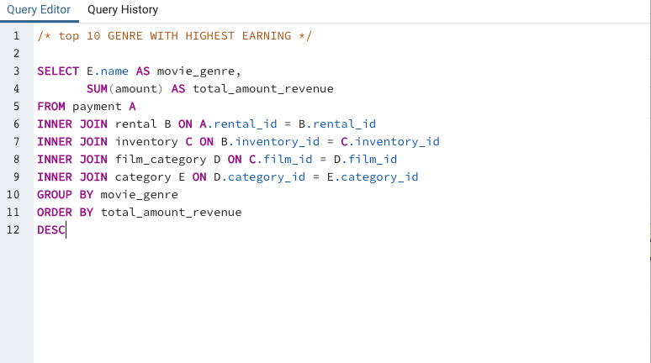
Animation | $4,245.31
Drama | $4,118.46
Comedy | $4,002.48
New | $3,966.38
Action | $3,951.84
Foreign | $3,934.47
Games | $3,922.18
Family | $3,782.26
Documentary | $3,749.65
Horror | $3,401.27
Classics | $3,353.38
Children | $3,309.39
Travel | $3,227.36
Music | $3,071.52
Thriller | $47.89

Max_amount_film
title | rating | release_year | max_amount
Chamber Italian | NC-17 | 2006 | $11.99
Grosse Wonderful | R | 2006 | $11.99
Airport Pollock | R | 2006 | $11.99
Bright Encounters | PG-13 | 2006 | $11.99
Academy Dinosaur | PG | 2006 | $11.99
Ace Goldfinger | G | 2006 | $11.99
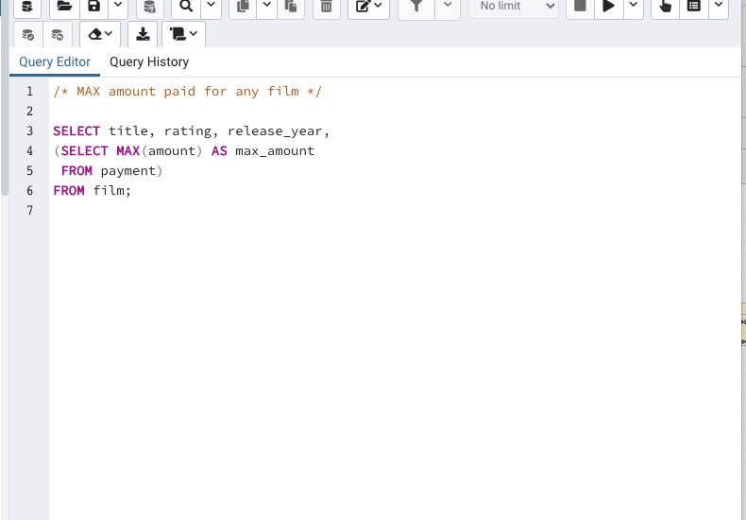
Adaptation Holes | NC-17 | 2006 | $11.99
Affair Prejudice | G | 2006 | $11.99
African Egg | G | 2006 | $11.99
Agent Truman | PG | 2006 | $11.99
Airplane Sierra | PG-13 | 2006 | $11.99
Alabama Devil | PG-13 | 2006 | $11.99
Aladdin Calendar | NC-17 | 2006 | $11.99
Alamo Videotape | G | 2006 | $11.99
Alaska Phantom | PG | 2006 | $11.99
Date Speed | R | 2006 | $11.99
Ali Forever | PG | 2006 | $11.99
Alice Fantasia | NC-17 | 2006 | $11.99
Alien Center | NC-17 | 2006 | $11.99
Alley Evolution | NC-17 | 2006 | $11.99
Alone Trip | R | 2006 | $11.99
Alter Victory | PG-13 | 2006 | $11.99
Amadeus Holy | PG | 2006 | $11.99
Amelie Hellfighters | R | 2006 | $11.99
American Circus | R | 2006 | $11.99
Amistad Midsummer | G | 2006 | $11.99
Anaconda Confessions | R | 2006 | $11.99
Analyze Hoosiers | R | 2006 | $11.99
Angels Life | G | 2006 | $11.99
Annie Identity | G | 2006 | $11.99
Anonymous Human | NC-17 | 2006 | $11.99
Anthem Luke | PG-13 | 2006 | $11.99
Antitrust Tomatoes | NC-17 | 2006 | $11.99
Anything Savannah | R | 2006 | $11.99
Apache Divine | NC-17 | 2006 | $11.99
Apocalypse Flamingos | R | 2006 | $11.99
Apollo Teen | PG-13 | 2006 | $11.99
Arabia Dogma | NC-17 | 2006 | $11.99
Arachnophobia Rollercoaster | PG-13 | 2006 | $11.99
Argonauts Town | PG-13 | 2006 | $11.99
Arizona Bang | PG | 2006 | $11.99
Ark Ridgemont | NC-17 | 2006 | $11.99
Armageddon Lost | G | 2006 | $11.99
Army Flintstones | R | 2006 | $11.99
Arsenic Independence | PG | 2006 | $11.99
Artist Coldblooded | NC-17 | 2006 | $11.99
Dying Maker | PG | 2006 | $11.99
Atlantis Cause | G | 2006 | $11.99
Attacks Hate | PG-13 | 2006 | $11.99
Attraction Newton | PG-13 | 2006 | $11.99
Autumn Crow | G | 2006 | $11.99
Baby Hall | NC-17 | 2006 | $11.99
Backlash Undefeated | PG-13 | 2006 | $11.99
Badman Dawn | R | 2006 | $11.99
Baked Cleopatra | G | 2006 | $11.99
Casualties Encino | G | 2006 | $11.99
Balloon Homeward | NC-17 | 2006 | $11.99
Ballroom Mockingbird | G | 2006 | $11.99
Bang Kwai | NC-17 | 2006 | $11.99
Banger Pinocchio | R | 2006 | $11.99
Barbarella Streetcar | G | 2006 | $11.99
Barefoot Manchurian | G | 2006 | $11.99
Basic Easy | PG-13 | 2006 | $11.99
Beach Heartbreakers | G | 2006 | $11.99
Bear Graceland | R | 2006 | $11.99
Beast Hunchback | R | 2006 | $11.99
Beauty Grease | G | 2006 | $11.99
Bed Highball | NC-17 | 2006 | $11.99
Bedazzled Married | PG | 2006 | $11.99
Beethoven Exorcist | PG-13 | 2006 | $11.99
Behavior Runaway | PG | 2006 | $11.99
Beneath Rush | NC-17 | 2006 | $11.99
Berets Agent | PG-13 | 2006 | $11.99
Betrayed Rear | NC-17 | 2006 | $11.99
Beverly Outlaw | R | 2006 | $11.99
Bikini Borrowers | NC-17 | 2006 | $11.99
Bilko Anonymous | PG-13 | 2006 | $11.99
Bill Others | PG | 2006 | $11.99
Bingo Talented | PG-13 | 2006 | $11.99
Birch Antitrust | PG | 2006 | $11.99
Bird Independence | G | 2006 | $11.99
Birdcage Casper | NC-17 | 2006 | $11.99
Birds Perdition | G | 2006 | $11.99
Blackout Private | PG | 2006 | $11.99
Blade Polish | PG-13 | 2006 | $11.99
Blanket Beverly | G | 2006 | $11.99
Blindness Gun | PG-13 | 2006 | $11.99
Blood Argonauts | G | 2006 | $11.99
Blues Instinct | G | 2006 | $11.99
Boiled Dares | PG | 2006 | $11.99
Bonnie Holocaust | G | 2006 | $11.99
Boogie Amelie | R | 2006 | $11.99
Boondock Ballroom | NC-17 | 2006 | $11.99
Born Spinal | PG | 2006 | $11.99
Borrowers Bedazzled | G | 2006 | $11.99
Boulevard Mob | R | 2006 | $11.99
Bound Cheaper | PG | 2006 | $11.99
Bowfinger Gables | NC-17 | 2006 | $11.99
Brannigan Sunrise | PG | 2006 | $11.99
Braveheart Human | PG-13 | 2006 | $11.99
Breakfast Goldfinger | G | 2006 | $11.99
Breaking Home | PG-13 | 2006 | $11.99
Bride Intrigue | G | 2006 | $11.99
Bringing Hysterical | PG | 2006 | $11.99
Brooklyn Desert | R | 2006 | $11.99
Brotherhood Blanket | R | 2006 | $11.99
Bubble Grosse | R | 2006 | $11.99
Bucket Brotherhood | PG | 2006 | $11.99
Bugsy Song | G | 2006 | $11.99
Bull Shawshank | NC-17 | 2006 | $11.99
Bulworth Commandments | G | 2006 | $11.99
Bunch Minds | G | 2006 | $11.99
Butch Panther | PG-13 | 2006 | $11.99
Butterfly Chocolat | G | 2006 | $11.99
Cabin Flash | NC-17 | 2006 | $11.99
Caddyshack Jedi | NC-17 | 2006 | $11.99
Calendar Gunfight | NC-17 | 2006 | $11.99
California Birds | NC-17 | 2006 | $11.99
Camelot Vacation | NC-17 | 2006 | $11.99
Campus Remember | R | 2006 | $11.99
Candidate Perdition | R | 2006 | $11.99
Candles Grapes | NC-17 | 2006 | $11.99
Canyon Stock | R | 2006 | $11.99
Caper Motions | G | 2006 | $11.99
Caribbean Liberty | NC-17 | 2006 | $11.99
Carol Texas | PG | 2006 | $11.99
Carrie Bunch | PG | 2006 | $11.99
Casablanca Super | G | 2006 | $11.99
Casper Dragonfly | PG-13 | 2006 | $11.99
Cassidy Wyoming | NC-17 | 2006 | $11.99
Cat Coneheads | G | 2006 | $11.99
Catch Amistad | G | 2006 | $11.99
Cause Date | R | 2006 | $11.99
Celebrity Horn | PG-13 | 2006 | $11.99
Center Dinosaur | PG | 2006 | $11.99
Chainsaw Uptown | PG | 2006 | $11.99
Champion Flatliners | PG | 2006 | $11.99
Chance Resurrection | R | 2006 | $11.99
Clash Freddy | G | 2006 | $11.99
Chaplin License | NC-17 | 2006 | $11.99
Charade Duffel | PG | 2006 | $11.99
Chariots Conspiracy | R | 2006 | $11.99
Chasing Fight | PG | 2006 | $11.99
Cheaper Clyde | G | 2006 | $11.99
Chicago North | PG-13 | 2006 | $11.99
Chicken Hellfighters | PG | 2006 | $11.99
Chill Luck | PG | 2006 | $11.99
Chinatown Gladiator | PG | 2006 | $11.99
Chisum Behavior | G | 2006 | $11.99
Chitty Lock | G | 2006 | $11.99
Chocolat Harry | NC-17 | 2006 | $11.99
Chocolate Duck | R | 2006 | $11.99
Christmas Moonshine | NC-17 | 2006 | $11.99
Cider Desire | PG | 2006 | $11.99
Cincinatti Whisperer | NC-17 | 2006 | $11.99
Circus Youth | PG-13 | 2006 | $11.99
Citizen Shrek | G | 2006 | $11.99
Cleopatra Devil | PG-13 | 2006 | $11.99
Clerks Angels | G | 2006 | $11.99
Clockwork Paradise | PG-13 | 2006 | $11.99
Clones Pinocchio | R | 2006 | $11.99
Closer Bang | R | 2006 | $11.99
Club Graffiti | PG-13 | 2006 | $11.99
Clue Grail | NC-17 | 2006 | $11.99
Clueless Bucket | R | 2006 | $11.99
Clyde Theory | PG-13 | 2006 | $11.99
Coast Rainbow | PG | 2006 | $11.99
Core Suit | PG-13 | 2006 | $11.99
Coldblooded Darling | G | 2006 | $11.99
Color Philadelphia | G | 2006 | $11.99
Coma Head | NC-17 | 2006 | $11.99
Comancheros Enemy | R | 2006 | $11.99
Comforts Rush | NC-17 | 2006 | $11.99
Command Darling | PG-13 | 2006 | $11.99
Commandments Express | R | 2006 | $11.99
Coneheads Smoochy | NC-17 | 2006 | $11.99
Confessions Maguire | PG-13 | 2006 | $11.99
Confidential Interview | NC-17 | 2006 | $11.99
Confused Candles | PG-13 | 2006 | $11.99
Congeniality Quest | PG-13 | 2006 | $11.99
Connecticut Tramp | R | 2006 | $11.99
Connection Microcosmos | G | 2006 | $11.99
Conquerer Nuts | G | 2006 | $11.99
Conspiracy Spirit | PG-13 | 2006 | $11.99
Contact Anonymous | PG-13 | 2006 | $11.99
Control Anthem | G | 2006 | $11.99
Conversation Downhill | R | 2006 | $11.99
Cowboy Doom | PG | 2006 | $11.99
Craft Outfield | NC-17 | 2006 | $11.99
Cranes Reservoir | NC-17 | 2006 | $11.99
Crazy Home | PG | 2006 | $11.99
Creatures Shakespeare | NC-17 | 2006 | $11.99
Creepers Kane | NC-17 | 2006 | $11.99
Crooked Frogmen | PG-13 | 2006 | $11.99
Crossing Divorce | R | 2006 | $11.99
Crossroads Casualties | G | 2006 | $11.99
Crow Grease | PG | 2006 | $11.99
Crowds Telemark | R | 2006 | $11.99
Cruelty Unforgiven | G | 2006 | $11.99
Crusade Honey | R | 2006 | $11.99
Crystal Breaking | NC-17 | 2006 | $11.99
Cupboard Sinners | R | 2006 | $11.99
Curtain Videotape | PG-13 | 2006 | $11.99
Cyclone Family | PG | 2006 | $11.99
Daddy Pittsburgh | G | 2006 | $11.99
Daisy Menagerie | G | 2006 | $11.99
Dalmations Sweden | PG | 2006 | $11.99
Dances None | NC-17 | 2006 | $11.99
Dancing Fever | G | 2006 | $11.99
Dangerous Uptown | PG | 2006 | $11.99
Dares Pluto | PG-13 | 2006 | $11.99
Darkness War | NC-17 | 2006 | $11.99
Darko Dorado | NC-17 | 2006 | $11.99
Darling Breaking | PG-13 | 2006 | $11.99
Darn Forrester | G | 2006 | $11.99
Daughter Madigan | PG-13 | 2006 | $11.99
Dawn Pond | PG | 2006 | $11.99
Day Unfaithful | G | 2006 | $11.99
Dazed Punk | G | 2006 | $11.99
Deceiver Betrayed | NC-17 | 2006 | $11.99
Deep Crusade | PG-13 | 2006 | $11.99
Deer Virginian | NC-17 | 2006 | $11.99
Deliverance Mulholland | R | 2006 | $11.99
Desert Poseidon | R | 2006 | $11.99
Desire Alien | NC-17 | 2006 | $11.99
Desperate Trainspotting | G | 2006 | $11.99
Destination Jerk | PG-13 | 2006 | $11.99
Destiny Saturday | G | 2006 | $11.99
Details Packer | R | 2006 | $11.99
Detective Vision | PG-13 | 2006 | $11.99
Devil Desire | R | 2006 | $11.99
Diary Panic | G | 2006 | $11.99
Dinosaur Secretary | R | 2006 | $11.99
Dirty Ace | NC-17 | 2006 | $11.99
Disciple Mother | PG | 2006 | $11.99
Disturbing Scarface | R | 2006 | $11.99
Divide Monster | PG-13 | 2006 | $11.99
Divine Resurrection | R | 2006 | $11.99
Divorce Shining | G | 2006 | $11.99
Doctor Grail | G | 2006 | $11.99
Dogma Family | G | 2006 | $11.99
Dolls Rage | PG-13 | 2006 | $11.99
Donnie Alley | NC-17 | 2006 | $11.99
Doom Dancing | R | 2006 | $11.99
Doors President | NC-17 | 2006 | $11.99
Dorado Notting | NC-17 | 2006 | $11.99
Double Wrath | R | 2006 | $11.99
Doubtfire Labyrinth | R | 2006 | $11.99
Downhill Enough | G | 2006 | $11.99
Dozen Lion | NC-17 | 2006 | $11.99
Dracula Crystal | G | 2006 | $11.99
Dragon Squad | NC-17 | 2006 | $11.99
Dragonfly Strangers | NC-17 | 2006 | $11.99
Dream Pickup | PG | 2006 | $11.99
Drifter Commandments | PG-13 | 2006 | $11.99
Driver Annie | PG-13 | 2006 | $11.99
Driving Polish | NC-17 | 2006 | $11.99
Drop Waterfront | R | 2006 | $11.99
Drumline Cyclone | G | 2006 | $11.99
Drums Dynamite | PG | 2006 | $11.99
Duck Racer | NC-17 | 2006 | $11.99
Dude Blindness | G | 2006 | $11.99
Duffel Apocalypse | G | 2006 | $11.99
Dumbo Lust | NC-17 | 2006 | $11.99
Durham Panky | R | 2006 | $11.99
Dwarfs Alter | G | 2006 | $11.99
Dynamite Tarzan | PG-13 | 2006 | $11.99
Eagles Panky | NC-17 | 2006 | $11.99
Early Home | NC-17 | 2006 | $11.99
Earring Instinct | R | 2006 | $11.99
Earth Vision | NC-17 | 2006 | $11.99
Easy Gladiator | G | 2006 | $11.99
Edge Kissing | NC-17 | 2006 | $11.99
Effect Gladiator | PG | 2006 | $11.99
Egg Igby | PG | 2006 | $11.99
Egypt Tenenbaums | PG | 2006 | $11.99
Element Freddy | NC-17 | 2006 | $11.99
Elephant Trojan | PG-13 | 2006 | $11.99
Elf Murder | NC-17 | 2006 | $11.99
Elizabeth Shane | NC-17 | 2006 | $11.99
Empire Malkovich | G | 2006 | $11.99
Encino Elf | G | 2006 | $11.99
Encounters Curtain | NC-17 | 2006 | $11.99
Ending Crowds | NC-17 | 2006 | $11.99
Enemy Odds | NC-17 | 2006 | $11.99
English Bulworth | PG-13 | 2006 | $11.99
Enough Raging | NC-17 | 2006 | $11.99
Entrapment Satisfaction | R | 2006 | $11.99
Escape Metropolis | R | 2006 | $11.99
Eve Resurrection | G | 2006 | $11.99
Everyone Craft | PG | 2006 | $11.99
Evolution Alter | PG-13 | 2006 | $11.99
Excitement Eve | G | 2006 | $11.99
Exorcist Sting | G | 2006 | $11.99
Expecations Natural | PG-13 | 2006 | $11.99
Expendable Stallion | PG | 2006 | $11.99
Express Lonely | R | 2006 | $11.99
Extraordinary Conquerer | G | 2006 | $11.99
Eyes Driving | PG-13 | 2006 | $11.99
Factory Dragon | PG-13 | 2006 | $11.99
Falcon Volume | PG-13 | 2006 | $11.99
Family Sweet | R | 2006 | $11.99
Fantasia Park | G | 2006 | $11.99
Fantasy Troopers | PG-13 | 2006 | $11.99
Fargo Gandhi | G | 2006 | $11.99
Fatal Haunted | PG | 2006 | $11.99
Feathers Metal | PG-13 | 2006 | $11.99
Fellowship Autumn | NC-17 | 2006 | $11.99
Ferris Mother | PG | 2006 | $11.99
Feud Frogmen | R | 2006 | $11.99
Fever Empire | R | 2006 | $11.99
Fiction Christmas | PG | 2006 | $11.99
Fiddler Lost | R | 2006 | $11.99
Fidelity Devil | G | 2006 | $11.99
Fight Jawbreaker | R | 2006 | $11.99
Finding Anaconda | R | 2006 | $11.99
Fire Wolves | R | 2006 | $11.99
Fireball Philadelphia | PG | 2006 | $11.99
Firehouse Vietnam | G | 2006 | $11.99
Fish Opus | R | 2006 | $11.99
Flamingos Connecticut | PG-13 | 2006 | $11.99
Flash Wars | NC-17 | 2006 | $11.99
Flatliners Killer | G | 2006 | $11.99
Flight Lies | R | 2006 | $11.99
Flintstones Happiness | PG-13 | 2006 | $11.99
Floats Garden | PG-13 | 2006 | $11.99
Flying Hook | NC-17 | 2006 | $11.99
Fool Mockingbird | PG | 2006 | $11.99
Forever Candidate | NC-17 | 2006 | $11.99
Forrest Sons | R | 2006 | $11.99
Forrester Comancheros | NC-17 | 2006 | $11.99
Forward Temple | NC-17 | 2006 | $11.99
Frankenstein Stranger | NC-17 | 2006 | $11.99
Freaky Pocus | R | 2006 | $11.99
Freddy Storm | NC-17 | 2006 | $11.99
Freedom Cleopatra | PG-13 | 2006 | $11.99
French Holiday | PG | 2006 | $11.99
Frida Slipper | R | 2006 | $11.99
Frisco Forrest | PG | 2006 | $11.99
Frogmen Breaking | R | 2006 | $11.99
Frontier Cabin | PG-13 | 2006 | $11.99
Frost Head | PG | 2006 | $11.99
Fugitive Maguire | R | 2006 | $11.99
Full Flatliners | PG | 2006 | $11.99
Fury Murder | PG-13 | 2006 | $11.99
Gables Metropolis | PG | 2006 | $11.99
Galaxy Sweethearts | R | 2006 | $11.99
Games Bowfinger | PG-13 | 2006 | $11.99
Gandhi Kwai | PG-13 | 2006 | $11.99
Gangs Pride | PG-13 | 2006 | $11.99
Garden Island | G | 2006 | $11.99
Gaslight Crusade | PG | 2006 | $11.99
Gathering Calendar | PG-13 | 2006 | $11.99
Gentlemen Stage | NC-17 | 2006 | $11.99
Ghost Groundhog | G | 2006 | $11.99
Ghostbusters Elf | R | 2006 | $11.99
Giant Troopers | R | 2006 | $11.99
Gilbert Pelican | G | 2006 | $11.99
Gilmore Boiled | R | 2006 | $11.99
Gladiator Westward | PG | 2006 | $11.99
Glass Dying | G | 2006 | $11.99
Gleaming Jawbreaker | NC-17 | 2006 | $11.99
Glory Tracy | PG-13 | 2006 | $11.99
Go Purple | R | 2006 | $11.99
Godfather Diary | NC-17 | 2006 | $11.99
Gold River | R | 2006 | $11.99
Goldfinger Sensibility | G | 2006 | $11.99
Goldmine Tycoon | R | 2006 | $11.99
Gone Trouble | R | 2006 | $11.99
Goodfellas Salute | PG | 2006 | $11.99
Gorgeous Bingo | R | 2006 | $11.99
Gosford Donnie | G | 2006 | $11.99
Graceland Dynamite | R | 2006 | $11.99
Graduate Lord | G | 2006 | $11.99
Graffiti Love | PG | 2006 | $11.99
Grail Frankenstein | NC-17 | 2006 | $11.99
Grapes Fury | G | 2006 | $11.99
Grease Youth | G | 2006 | $11.99
Greatest North | NC-17 | 2006 | $11.99
Greedy Roots | R | 2006 | $11.99
Greek Everyone | PG | 2006 | $11.99
Grinch Massage | R | 2006 | $11.99
Grit Clockwork | PG | 2006 | $11.99
Groove Fiction | NC-17 | 2006 | $11.99
Groundhog Uncut | PG-13 | 2006 | $11.99
Gump Date | NC-17 | 2006 | $11.99
Gun Bonnie | G | 2006 | $11.99
Gunfight Moon | NC-17 | 2006 | $11.99
Gunfighter Mussolini | PG-13 | 2006 | $11.99
Guys Falcon | R | 2006 | $11.99
Half Outfield | PG-13 | 2006 | $11.99
Hall Cassidy | NC-17 | 2006 | $11.99
Halloween Nuts | PG-13 | 2006 | $11.99
Hamlet Wisdom | R | 2006 | $11.99
Identity Lover | PG-13 | 2006 | $11.99
Handicap Boondock | R | 2006 | $11.99
Hanging Deep | G | 2006 | $11.99
Hanky October | NC-17 | 2006 | $11.99
Hanover Galaxy | NC-17 | 2006 | $11.99
Happiness United | G | 2006 | $11.99
Hardly Robbers | R | 2006 | $11.99
Harold French | NC-17 | 2006 | $11.99
Harper Dying | G | 2006 | $11.99
Harry Idaho | PG-13 | 2006 | $11.99
Hate Handicap | PG | 2006 | $11.99
Haunted Antitrust | NC-17 | 2006 | $11.99
Haunting Pianist | R | 2006 | $11.99
Hawk Chill | PG-13 | 2006 | $11.99
Head Stranger | R | 2006 | $11.99
Heartbreakers Bright | G | 2006 | $11.99
Heaven Freedom | PG | 2006 | $11.99
Heavenly Gun | NC-17 | 2006 | $11.99
Heavyweights Beast | G | 2006 | $11.99
Hedwig Alter | NC-17 | 2006 | $11.99
Hellfighters Sierra | PG | 2006 | $11.99
High Encino | R | 2006 | $11.99
Highball Potter | R | 2006 | $11.99
Hills Neighbors | G | 2006 | $11.99
Hobbit Alien | PG-13 | 2006 | $11.99
Hocus Frida | G | 2006 | $11.99
Holes Brannigan | PG | 2006 | $11.99
Holiday Games | PG-13 | 2006 | $11.99
Hollow Jeopardy | NC-17 | 2006 | $11.99
Hollywood Anonymous | PG | 2006 | $11.99
Holocaust Highball | R | 2006 | $11.99
Holy Tadpole | R | 2006 | $11.99
Home Pity | R | 2006 | $11.99
Homeward Cider | R | 2006 | $11.99
Homicide Peach | PG-13 | 2006 | $11.99
Honey Ties | R | 2006 | $11.99
Hook Chariots | G | 2006 | $11.99
Idols Snatchers | NC-17 | 2006 | $11.99
Hoosiers Birdcage | G | 2006 | $11.99
Hope Tootsie | NC-17 | 2006 | $11.99
Horn Working | PG | 2006 | $11.99
Horror Reign | R | 2006 | $11.99
Hotel Happiness | PG-13 | 2006 | $11.99
Hours Rage | NC-17 | 2006 | $11.99
House Dynamite | R | 2006 | $11.99
Human Graffiti | NC-17 | 2006 | $11.99
Hunchback Impossible | PG-13 | 2006 | $11.99
Hunger Roof | G | 2006 | $11.99
Hunter Alter | PG-13 | 2006 | $11.99
Hunting Musketeers | NC-17 | 2006 | $11.99
Hurricane Affair | PG | 2006 | $11.99
Hustler Party | NC-17 | 2006 | $11.99
Hyde Doctor | G | 2006 | $11.99
Hysterical Grail | PG | 2006 | $11.99
Ice Crossing | R | 2006 | $11.99
Idaho Love | PG-13 | 2006 | $11.99
Igby Maker | NC-17 | 2006 | $11.99
Illusion Amelie | R | 2006 | $11.99
Image Princess | PG-13 | 2006 | $11.99
Impact Aladdin | PG-13 | 2006 | $11.99
Impossible Prejudice | NC-17 | 2006 | $11.99
Inch Jet | NC-17 | 2006 | $11.99
Independence Hotel | NC-17 | 2006 | $11.99
Indian Love | NC-17 | 2006 | $11.99
Informer Double | NC-17 | 2006 | $11.99
Innocent Usual | PG-13 | 2006 | $11.99
Insects Stone | NC-17 | 2006 | $11.99
Insider Arizona | NC-17 | 2006 | $11.99
Instinct Airport | PG | 2006 | $11.99
Intentions Empire | PG-13 | 2006 | $11.99
Interview Liaisons | R | 2006 | $11.99
Intolerable Intentions | PG-13 | 2006 | $11.99
Intrigue Worst | G | 2006 | $11.99
Invasion Cyclone | PG | 2006 | $11.99
Iron Moon | PG | 2006 | $11.99
Ishtar Rocketeer | R | 2006 | $11.99
Island Exorcist | NC-17 | 2006 | $11.99
Italian African | G | 2006 | $11.99
Jacket Frisco | PG-13 | 2006 | $11.99
Jade Bunch | NC-17 | 2006 | $11.99
Japanese Run | G | 2006 | $11.99
Jason Trap | NC-17 | 2006 | $11.99
Jawbreaker Brooklyn | PG | 2006 | $11.99
Jaws Harry | G | 2006 | $11.99
Jedi Beneath | PG | 2006 | $11.99
Jeepers Wedding | R | 2006 | $11.99
Jekyll Frogmen | PG | 2006 | $11.99
Jeopardy Encino | R | 2006 | $11.99
Jericho Mulan | NC-17 | 2006 | $11.99
Jerk Paycheck | NC-17 | 2006 | $11.99
Jersey Sassy | PG | 2006 | $11.99
Jet Neighbors | R | 2006 | $11.99
Jingle Sagebrush | PG-13 | 2006 | $11.99
Joon Northwest | NC-17 | 2006 | $11.99
Juggler Hardly | PG-13 | 2006 | $11.99
Jumanji Blade | G | 2006 | $11.99
Jumping Wrath | NC-17 | 2006 | $11.99
Jungle Closer | NC-17 | 2006 | $11.99
Kane Exorcist | R | 2006 | $11.99
Karate Moon | PG-13 | 2006 | $11.99
Kentuckian Giant | PG | 2006 | $11.99
Kick Savannah | PG-13 | 2006 | $11.99
Kill Brotherhood | G | 2006 | $11.99
Killer Innocent | R | 2006 | $11.99
King Evolution | NC-17 | 2006 | $11.99
Kiss Glory | PG-13 | 2006 | $11.99
Kissing Dolls | R | 2006 | $11.99
Knock Warlock | PG-13 | 2006 | $11.99
Kramer Chocolate | R | 2006 | $11.99
Kwai Homeward | PG-13 | 2006 | $11.99
Labyrinth League | PG-13 | 2006 | $11.99
Rush Goodfellas | PG | 2006 | $11.99
Lady Stage | PG | 2006 | $11.99
Ladybugs Armageddon | NC-17 | 2006 | $11.99
Lambs Cincinatti | PG-13 | 2006 | $11.99
Language Cowboy | NC-17 | 2006 | $11.99
Lawless Vision | G | 2006 | $11.99
Lawrence Love | NC-17 | 2006 | $11.99
League Hellfighters | PG-13 | 2006 | $11.99
Leathernecks Dwarfs | PG-13 | 2006 | $11.99
Lebowski Soldiers | PG-13 | 2006 | $11.99
Legally Secretary | PG | 2006 | $11.99
Legend Jedi | PG | 2006 | $11.99
Lesson Cleopatra | NC-17 | 2006 | $11.99
Liaisons Sweet | PG | 2006 | $11.99
Liberty Magnificent | G | 2006 | $11.99
License Weekend | NC-17 | 2006 | $11.99
Lies Treatment | NC-17 | 2006 | $11.99
Life Twisted | NC-17 | 2006 | $11.99
Lights Deer | R | 2006 | $11.99
Mars Roman | NC-17 | 2006 | $11.99
Lion Uncut | PG | 2006 | $11.99
Loathing Legally | R | 2006 | $11.99
Lock Rear | R | 2006 | $11.99
Lola Agent | PG | 2006 | $11.99
Lolita World | NC-17 | 2006 | $11.99
Lonely Elephant | G | 2006 | $11.99
Lord Arizona | PG-13 | 2006 | $11.99
Lose Inch | R | 2006 | $11.99
Loser Hustler | PG | 2006 | $11.99
Lost Bird | PG-13 | 2006 | $11.99
Louisiana Harry | PG-13 | 2006 | $11.99
Love Suicides | R | 2006 | $11.99
Lovely Jingle | PG | 2006 | $11.99
Lover Truman | G | 2006 | $11.99
Loverboy Attacks | PG-13 | 2006 | $11.99
Luck Opus | NC-17 | 2006 | $11.99
Lucky Flying | PG-13 | 2006 | $11.99
Luke Mummy | NC-17 | 2006 | $11.99
Mask Peach | NC-17 | 2006 | $11.99
Lust Lock | G | 2006 | $11.99
Madigan Dorado | R | 2006 | $11.99
Madison Trap | R | 2006 | $11.99
Madness Attacks | PG-13 | 2006 | $11.99
Madre Gables | PG-13 | 2006 | $11.99
Magic Mallrats | PG | 2006 | $11.99
Magnificent Chitty | R | 2006 | $11.99
Magnolia Forrester | PG-13 | 2006 | $11.99
Maguire Apache | NC-17 | 2006 | $11.99
Maiden Home | PG | 2006 | $11.99
Majestic Floats | PG | 2006 | $11.99
Maker Gables | PG-13 | 2006 | $11.99
Malkovich Pet | G | 2006 | $11.99
Mallrats United | PG | 2006 | $11.99
Maltese Hope | PG-13 | 2006 | $11.99
Manchurian Curtain | PG | 2006 | $11.99
Mannequin Worst | PG-13 | 2006 | $11.99
Married Go | G | 2006 | $11.99
Masked Bubble | PG-13 | 2006 | $11.99
Massacre Usual | R | 2006 | $11.99
Massage Image | PG | 2006 | $11.99
Matrix Snowman | PG-13 | 2006 | $11.99
Maude Mod | R | 2006 | $11.99
Meet Chocolate | G | 2006 | $11.99
Memento Zoolander | NC-17 | 2006 | $11.99
Menagerie Rushmore | G | 2006 | $11.99
Mermaid Insects | NC-17 | 2006 | $11.99
Metal Armageddon | PG-13 | 2006 | $11.99
Metropolis Coma | PG-13 | 2006 | $11.99
Microcosmos Paradise | PG-13 | 2006 | $11.99
Midnight Westward | G | 2006 | $11.99
Midsummer Groundhog | G | 2006 | $11.99
Mighty Luck | PG | 2006 | $11.99
Mile Mulan | PG | 2006 | $11.99
Million Ace | PG-13 | 2006 | $11.99
Minds Truman | PG-13 | 2006 | $11.99
Mine Titans | PG-13 | 2006 | $11.99
Minority Kiss | G | 2006 | $11.99
Miracle Virtual | PG-13 | 2006 | $11.99
Mission Zoolander | PG-13 | 2006 | $11.99
Mixed Doors | PG-13 | 2006 | $11.99
Mob Duffel | G | 2006 | $11.99
Mockingbird Hollywood | PG | 2006 | $11.99
Mod Secretary | NC-17 | 2006 | $11.99
Model Fish | NC-17 | 2006 | $11.99
Modern Dorado | PG | 2006 | $11.99
Money Harold | PG | 2006 | $11.99
Monsoon Cause | PG | 2006 | $11.99
Monster Spartacus | PG | 2006 | $11.99
Monterey Labyrinth | G | 2006 | $11.99
Montezuma Command | NC-17 | 2006 | $11.99
Moon Bunch | PG | 2006 | $11.99
Moonshine Cabin | PG-13 | 2006 | $11.99
Moonwalker Fool | G | 2006 | $11.99
Mosquito Armageddon | G | 2006 | $11.99
Mother Oleander | R | 2006 | $11.99
Motions Details | PG | 2006 | $11.99
Moulin Wake | PG-13 | 2006 | $11.99
Mourning Purple | PG | 2006 | $11.99
Movie Shakespeare | PG | 2006 | $11.99
Mulan Moon | G | 2006 | $11.99
Mulholland Beast | PG | 2006 | $11.99
Mummy Creatures | NC-17 | 2006 | $11.99
Muppet Mile | PG | 2006 | $11.99
Murder Antitrust | PG | 2006 | $11.99
Muscle Bright | G | 2006 | $11.99
Music Boondock | R | 2006 | $11.99
Musketeers Wait | PG | 2006 | $11.99
Mussolini Spoilers | G | 2006 | $11.99
Mystic Truman | NC-17 | 2006 | $11.99
Name Detective | PG-13 | 2006 | $11.99
Nash Chocolat | PG-13 | 2006 | $11.99
National Story | NC-17 | 2006 | $11.99
Natural Stock | PG-13 | 2006 | $11.99
Necklace Outbreak | PG | 2006 | $11.99
Neighbors Charade | R | 2006 | $11.99
Nemo Campus | NC-17 | 2006 | $11.99
Network Peak | PG-13 | 2006 | $11.99
Newsies Story | G | 2006 | $11.99
Newton Labyrinth | PG | 2006 | $11.99
Nightmare Chill | PG | 2006 | $11.99
None Spiking | NC-17 | 2006 | $11.99
Noon Papi | G | 2006 | $11.99
North Tequila | NC-17 | 2006 | $11.99
Northwest Polish | PG | 2006 | $11.99
Notorious Reunion | NC-17 | 2006 | $11.99
Notting Speakeasy | PG-13 | 2006 | $11.99
Novocaine Flight | G | 2006 | $11.99
Nuts Ties | NC-17 | 2006 | $11.99
October Submarine | PG-13 | 2006 | $11.99
Odds Boogie | NC-17 | 2006 | $11.99
Oklahoma Jumanji | PG | 2006 | $11.99
Oleander Clue | PG | 2006 | $11.99
Open African | PG | 2006 | $11.99
Operation Operation | G | 2006 | $11.99
Opposite Necklace | PG | 2006 | $11.99
Opus Ice | R | 2006 | $11.99
Orange Grapes | PG-13 | 2006 | $11.99
Order Betrayed | PG-13 | 2006 | $11.99
Orient Closer | R | 2006 | $11.99
Oscar Gold | PG | 2006 | $11.99
Others Soup | PG | 2006 | $11.99
Outbreak Divine | NC-17 | 2006 | $11.99
Outfield Massacre | NC-17 | 2006 | $11.99
Outlaw Hanky | PG-13 | 2006 | $11.99
Oz Liaisons | R | 2006 | $11.99
Pacific Amistad | G | 2006 | $11.99
Packer Madigan | PG-13 | 2006 | $11.99
Pajama Jawbreaker | R | 2006 | $11.99
Panic Club | G | 2006 | $11.99
Panky Submarine | G | 2006 | $11.99
Panther Reds | NC-17 | 2006 | $11.99
Papi Necklace | PG | 2006 | $11.99
Paradise Sabrina | PG-13 | 2006 | $11.99
Paris Weekend | PG-13 | 2006 | $11.99
Park Citizen | PG-13 | 2006 | $11.99
Party Knock | PG | 2006 | $11.99
Past Suicides | PG-13 | 2006 | $11.99
Paths Control | PG | 2006 | $11.99
Patient Sister | NC-17 | 2006 | $11.99
Patriot Roman | PG | 2006 | $11.99
Patton Interview | PG | 2006 | $11.99
Paycheck Wait | PG-13 | 2006 | $11.99
Peach Innocent | PG-13 | 2006 | $11.99
Peak Forever | PG | 2006 | $11.99
Pearl Destiny | NC-17 | 2006 | $11.99
Pelican Comforts | PG | 2006 | $11.99
Perdition Fargo | NC-17 | 2006 | $11.99
Perfect Groove | PG-13 | 2006 | $11.99
Personal Ladybugs | PG-13 | 2006 | $11.99
Pet Haunting | PG | 2006 | $11.99
Phantom Glory | NC-17 | 2006 | $11.99
Philadelphia Wife | PG-13 | 2006 | $11.99
Pianist Outfield | NC-17 | 2006 | $11.99
Pickup Driving | G | 2006 | $11.99
Pilot Hoosiers | PG | 2006 | $11.99
Pinocchio Simon | PG | 2006 | $11.99
Pirates Roxanne | PG | 2006 | $11.99
Pittsburgh Hunchback | PG-13 | 2006 | $11.99
Pity Bound | NC-17 | 2006 | $11.99
Pizza Jumanji | NC-17 | 2006 | $11.99
Platoon Instinct | PG-13 | 2006 | $11.99
Pluto Oleander | R | 2006 | $11.99
Pocus Pulp | NC-17 | 2006 | $11.99
Polish Brooklyn | PG | 2006 | $11.99
Pollock Deliverance | PG | 2006 | $11.99
Pond Seattle | PG-13 | 2006 | $11.99
Poseidon Forever | PG-13 | 2006 | $11.99
Potluck Mixed | G | 2006 | $11.99
Potter Connecticut | PG | 2006 | $11.99
Prejudice Oleander | PG-13 | 2006 | $11.99
President Bang | PG | 2006 | $11.99
Pride Alamo | NC-17 | 2006 | $11.99
Primary Glass | G | 2006 | $11.99
Princess Giant | NC-17 | 2006 | $11.99
Private Drop | PG | 2006 | $11.99
Prix Undefeated | R | 2006 | $11.99
Psycho Shrunk | PG-13 | 2006 | $11.99
Pulp Beverly | G | 2006 | $11.99
Punk Divorce | PG | 2006 | $11.99
Pure Runner | NC-17 | 2006 | $11.99
Purple Movie | R | 2006 | $11.99
Queen Luke | PG | 2006 | $11.99
Quest Mussolini | R | 2006 | $11.99
Quills Bull | R | 2006 | $11.99
Racer Egg | NC-17 | 2006 | $11.99
Rage Games | R | 2006 | $11.99
Raging Airplane | R | 2006 | $11.99
Raiders Antitrust | PG-13 | 2006 | $11.99
Rainbow Shock | PG | 2006 | $11.99
Random Go | NC-17 | 2006 | $11.99
Range Moonwalker | PG | 2006 | $11.99
Reap Unfaithful | PG-13 | 2006 | $11.99
Rear Trading | NC-17 | 2006 | $11.99
Rebel Airport | G | 2006 | $11.99
Records Zorro | PG | 2006 | $11.99
Redemption Comforts | NC-17 | 2006 | $11.99
Reds Pocus | PG-13 | 2006 | $11.99
Reef Salute | NC-17 | 2006 | $11.99
Reign Gentlemen | PG-13 | 2006 | $11.99
Remember Diary | R | 2006 | $11.99
Requiem Tycoon | R | 2006 | $11.99
Reservoir Adaptation | PG-13 | 2006 | $11.99
Resurrection Silverado | PG | 2006 | $11.99
Reunion Witches | R | 2006 | $11.99
Rider Caddyshack | PG | 2006 | $11.99
Ridgemont Submarine | PG-13 | 2006 | $11.99
Right Cranes | PG-13 | 2006 | $11.99
Rings Heartbreakers | G | 2006 | $11.99
River Outlaw | PG-13 | 2006 | $11.99
Road Roxanne | R | 2006 | $11.99
Robbers Joon | PG-13 | 2006 | $11.99
Robbery Bright | R | 2006 | $11.99
Rock Instinct | G | 2006 | $11.99
Rocketeer Mother | PG-13 | 2006 | $11.99
Rocky War | PG-13 | 2006 | $11.99
Rollercoaster Bringing | PG-13 | 2006 | $11.99
Roman Punk | NC-17 | 2006 | $11.99
Roof Champion | R | 2006 | $11.99
Room Roman | PG | 2006 | $11.99
Roots Remember | PG-13 | 2006 | $11.99
Roses Treasure | PG-13 | 2006 | $11.99
Rouge Squad | NC-17 | 2006 | $11.99
Roxanne Rebel | R | 2006 | $11.99
Rugrats Shakespeare | PG-13 | 2006 | $11.99
Rules Human | R | 2006 | $11.99
Run Pacific | R | 2006 | $11.99
Runaway Tenenbaums | NC-17 | 2006 | $11.99
Runner Madigan | NC-17 | 2006 | $11.99
Rushmore Mermaid | PG-13 | 2006 | $11.99
Sabrina Midnight | PG | 2006 | $11.99
Saddle Antitrust | PG-13 | 2006 | $11.99
Sagebrush Clueless | G | 2006 | $11.99
Saints Bride | G | 2006 | $11.99
Salute Apollo | R | 2006 | $11.99
Samurai Lion | G | 2006 | $11.99
Santa Paris | PG | 2006 | $11.99
Sassy Packer | G | 2006 | $11.99
Satisfaction Confidential | G | 2006 | $11.99
Saturday Lambs | G | 2006 | $11.99
Saturn Name | R | 2006 | $11.99
Savannah Town | PG-13 | 2006 | $11.99
Scalawag Duck | NC-17 | 2006 | $11.99
Scarface Bang | PG-13 | 2006 | $11.99
School Jacket | PG-13 | 2006 | $11.99
Scissorhands Slums | G | 2006 | $11.99
Ship Wonderland | R | 2006 | $11.99
Scorpion Apollo | NC-17 | 2006 | $11.99
Sea Virgin | PG | 2006 | $11.99
Seabiscuit Punk | NC-17 | 2006 | $11.99
Searchers Wait | NC-17 | 2006 | $11.99
Seattle Expecations | PG-13 | 2006 | $11.99
Secret Groundhog | PG | 2006 | $11.99
Secretary Rouge | PG | 2006 | $11.99
Secrets Paradise | G | 2006 | $11.99
Sense Greek | R | 2006 | $11.99
Sensibility Rear | PG | 2006 | $11.99
Seven Swarm | R | 2006 | $11.99
Shakespeare Saddle | PG-13 | 2006 | $11.99
Shane Darkness | PG | 2006 | $11.99
Shanghai Tycoon | PG | 2006 | $11.99
Shawshank Bubble | PG | 2006 | $11.99
Shepherd Midsummer | R | 2006 | $11.99
Shining Roses | G | 2006 | $11.99
Shock Cabin | PG-13 | 2006 | $11.99
Shootist Superfly | PG-13 | 2006 | $11.99
Show Lord | PG-13 | 2006 | $11.99
Shrek License | PG-13 | 2006 | $11.99
Shrunk Divine | R | 2006 | $11.99
Side Ark | G | 2006 | $11.99
Siege Madre | R | 2006 | $11.99
Sierra Divide | NC-17 | 2006 | $11.99
Silence Kane | R | 2006 | $11.99
Silverado Goldfinger | PG | 2006 | $11.99
Simon North | NC-17 | 2006 | $11.99
Sinners Atlantis | PG-13 | 2006 | $11.99
Sister Freddy | PG-13 | 2006 | $11.99
Sky Miracle | PG | 2006 | $11.99
Slacker Liaisons | R | 2006 | $11.99
Sleeping Suspects | PG-13 | 2006 | $11.99
Sleepless Monsoon | G | 2006 | $11.99
Sleepy Japanese | PG | 2006 | $11.99
Sleuth Orient | NC-17 | 2006 | $11.99
Sling Luke | R | 2006 | $11.99
Slipper Fidelity | PG-13 | 2006 | $11.99
Slums Duck | PG | 2006 | $11.99
Smile Earring | G | 2006 | $11.99
Smoking Barbarella | PG-13 | 2006 | $11.99
Smoochy Control | R | 2006 | $11.99
Snatch Slipper | PG | 2006 | $11.99
Snatchers Montezuma | PG-13 | 2006 | $11.99
Snowman Rollercoaster | G | 2006 | $11.99
Soldiers Evolution | R | 2006 | $11.99
Something Duck | NC-17 | 2006 | $11.99
Song Hedwig | PG-13 | 2006 | $11.99
Sons Interview | NC-17 | 2006 | $11.99
Sorority Queen | NC-17 | 2006 | $11.99
Soup Wisdom | R | 2006 | $11.99
South Wait | R | 2006 | $11.99
Spartacus Cheaper | NC-17 | 2006 | $11.99
Speakeasy Date | PG-13 | 2006 | $11.99
Speed Suit | PG-13 | 2006 | $11.99
Spice Sorority | NC-17 | 2006 | $11.99
Spiking Element | G | 2006 | $11.99
Spinal Rocky | PG-13 | 2006 | $11.99
Spirit Flintstones | R | 2006 | $11.99
Spirited Casualties | PG-13 | 2006 | $11.99
Splash Gump | PG | 2006 | $11.99
Splendor Patton | R | 2006 | $11.99
Spoilers Hellfighters | G | 2006 | $11.99
Spy Mile | PG-13 | 2006 | $11.99
Squad Fish | PG | 2006 | $11.99
Stage World | PG | 2006 | $11.99
Stagecoach Armageddon | R | 2006 | $11.99
Stallion Sundance | PG-13 | 2006 | $11.99
Stampede Disturbing | R | 2006 | $11.99
Star Operation | PG | 2006 | $11.99
State Wasteland | NC-17 | 2006 | $11.99
Steel Santa | NC-17 | 2006 | $11.99
Steers Armageddon | PG | 2006 | $11.99
Stepmom Dream | NC-17 | 2006 | $11.99
Sting Personal | NC-17 | 2006 | $11.99
Stock Glass | PG | 2006 | $11.99
Stone Fire | G | 2006 | $11.99
Storm Happiness | NC-17 | 2006 | $11.99
Story Side | R | 2006 | $11.99
Straight Hours | R | 2006 | $11.99
Strangelove Desire | NC-17 | 2006 | $11.99
Stranger Strangers | G | 2006 | $11.99
Tights Dawn | R | 2006 | $11.99
Strangers Graffiti | R | 2006 | $11.99
Streak Ridgemont | PG-13 | 2006 | $11.99
Streetcar Intentions | R | 2006 | $11.99
Strictly Scarface | PG-13 | 2006 | $11.99
Submarine Bed | R | 2006 | $11.99
Sugar Wonka | PG | 2006 | $11.99
Suicides Silence | G | 2006 | $11.99
Suit Walls | R | 2006 | $11.99
Summer Scarface | G | 2006 | $11.99
Sun Confessions | R | 2006 | $11.99
Sundance Invasion | NC-17 | 2006 | $11.99
Sunrise League | PG-13 | 2006 | $11.99
Sunset Racer | NC-17 | 2006 | $11.99
Super Wyoming | PG | 2006 | $11.99
Superfly Trip | PG | 2006 | $11.99
Suspects Quills | PG | 2006 | $11.99
Swarm Gold | PG-13 | 2006 | $11.99
Sweden Shining | PG | 2006 | $11.99
Timberland Sky | G | 2006 | $11.99
Sweet Brotherhood | R | 2006 | $11.99
Sweethearts Suspects | G | 2006 | $11.99
Tadpole Park | PG | 2006 | $11.99
Talented Homicide | PG | 2006 | $11.99
Tarzan Videotape | PG-13 | 2006 | $11.99
Taxi Kick | PG-13 | 2006 | $11.99
Teen Apollo | G | 2006 | $11.99
Telegraph Voyage | PG | 2006 | $11.99
Telemark Heartbreakers | PG-13 | 2006 | $11.99
Temple Attraction | PG | 2006 | $11.99
Tenenbaums Command | PG-13 | 2006 | $11.99
Tequila Past | PG | 2006 | $11.99
Terminator Club | R | 2006 | $11.99
Texas Watch | NC-17 | 2006 | $11.99
Theory Mermaid | PG-13 | 2006 | $11.99
Thief Pelican | PG-13 | 2006 | $11.99
Thin Sagebrush | PG-13 | 2006 | $11.99
Ties Hunger | R | 2006 | $11.99
Titanic Boondock | R | 2006 | $11.99
Titans Jerk | PG | 2006 | $11.99
Tomatoes Hellfighters | PG | 2006 | $11.99
Tomorrow Hustler | R | 2006 | $11.99
Tootsie Pilot | PG | 2006 | $11.99
Torque Bound | G | 2006 | $11.99
Tourist Pelican | PG-13 | 2006 | $11.99
Towers Hurricane | NC-17 | 2006 | $11.99
Town Ark | R | 2006 | $11.99
Tracy Cider | G | 2006 | $11.99
Trading Pinocchio | PG | 2006 | $11.99
Traffic Hobbit | G | 2006 | $11.99
Train Bunch | R | 2006 | $11.99
Trainspotting Strangers | PG-13 | 2006 | $11.99
Tramp Others | PG | 2006 | $11.99
Translation Summer | PG-13 | 2006 | $11.99
Trap Guys | G | 2006 | $11.99
Treasure Command | PG-13 | 2006 | $11.99
Treatment Jekyll | PG | 2006 | $11.99
Trip Newton | PG-13 | 2006 | $11.99
Trojan Tomorrow | PG | 2006 | $11.99
Troopers Metal | R | 2006 | $11.99
Trouble Date | PG | 2006 | $11.99
Truman Crazy | G | 2006 | $11.99
Turn Star | G | 2006 | $11.99
Tuxedo Mile | R | 2006 | $11.99
Twisted Pirates | PG | 2006 | $11.99
Tycoon Gathering | G | 2006 | $11.99
Unbreakable Karate | G | 2006 | $11.99
Uncut Suicides | PG-13 | 2006 | $11.99
Undefeated Dalmations | PG-13 | 2006 | $11.99
Unfaithful Kill | R | 2006 | $11.99
Unforgiven Zoolander | PG | 2006 | $11.99
United Pilot | R | 2006 | $11.99
Untouchables Sunrise | NC-17 | 2006 | $11.99
Uprising Uptown | NC-17 | 2006 | $11.99
Uptown Young | PG | 2006 | $11.99
Usual Untouchables | PG-13 | 2006 | $11.99
Vacation Boondock | R | 2006 | $11.99
Valentine Vanishing | PG-13 | 2006 | $11.99
Valley Packer | G | 2006 | $11.99
Vampire Whale | NC-17 | 2006 | $11.99
Vanilla Day | NC-17 | 2006 | $11.99
Vanished Garden | R | 2006 | $11.99
Vanishing Rocky | NC-17 | 2006 | $11.99
Varsity Trip | NC-17 | 2006 | $11.99
Velvet Terminator | R | 2006 | $11.99
Vertigo Northwest | R | 2006 | $11.99
Victory Academy | PG-13 | 2006 | $11.99
Videotape Arsenic | NC-17 | 2006 | $11.99
Vietnam Smoochy | PG-13 | 2006 | $11.99
Villain Desperate | PG-13 | 2006 | $11.99
Virgin Daisy | PG-13 | 2006 | $11.99
Virginian Pluto | R | 2006 | $11.99
Virtual Spoilers | NC-17 | 2006 | $11.99
Vision Torque | PG-13 | 2006 | $11.99
Voice Peach | PG-13 | 2006 | $11.99
Volcano Texas | NC-17 | 2006 | $11.99
Volume House | PG | 2006 | $11.99
Voyage Legally | PG-13 | 2006 | $11.99
Wagon Jaws | PG | 2006 | $11.99
Wait Cider | PG-13 | 2006 | $11.99
Wake Jaws | G | 2006 | $11.99
Walls Artist | PG | 2006 | $11.99
Wanda Chamber | PG-13 | 2006 | $11.99
War Notting | G | 2006 | $11.99
Wardrobe Phantom | G | 2006 | $11.99
Warlock Werewolf | G | 2006 | $11.99
Wars Pluto | G | 2006 | $11.99
Wash Heavenly | R | 2006 | $11.99
Wasteland Divine | PG | 2006 | $11.99
Watch Tracy | PG | 2006 | $11.99
Waterfront Deliverance | G | 2006 | $11.99
Watership Frontier | G | 2006 | $11.99
Wedding Apollo | PG | 2006 | $11.99
Weekend Personal | R | 2006 | $11.99
Werewolf Lola | G | 2006 | $11.99
West Lion | G | 2006 | $11.99
Westward Seabiscuit | NC-17 | 2006 | $11.99
Whale Bikini | PG-13 | 2006 | $11.99
Whisperer Giant | PG-13 | 2006 | $11.99
Wife Turn | NC-17 | 2006 | $11.99
Wild Apollo | R | 2006 | $11.99
Willow Tracy | R | 2006 | $11.99
Wind Phantom | R | 2006 | $11.99
Window Side | R | 2006 | $11.99
Wisdom Worker | R | 2006 | $11.99
Witches Panic | NC-17 | 2006 | $11.99
Wizard Coldblooded | PG | 2006 | $11.99
Wolves Desire | NC-17 | 2006 | $11.99
Women Dorado | R | 2006 | $11.99
Won Dares | PG | 2006 | $11.99
Wonderful Drop | NC-17 | 2006 | $11.99
Wonderland Christmas | PG | 2006 | $11.99
Wonka Sea | NC-17 | 2006 | $11.99
Words Hunter | PG | 2006 | $11.99
Worker Tarzan | R | 2006 | $11.99
Working Microcosmos | R | 2006 | $11.99
World Leathernecks | PG-13 | 2006 | $11.99
Worst Banger | PG | 2006 | $11.99
Wrath Mile | NC-17 | 2006 | $11.99
Wrong Behavior | PG-13 | 2006 | $11.99
Wyoming Storm | PG-13 | 2006 | $11.99
Yentl Idaho | R | 2006 | $11.99
Young Language | G | 2006 | $11.99
Youth Kick | NC-17 | 2006 | $11.99
Zhivago Core | NC-17 | 2006 | $11.99
Zoolander Fiction | R | 2006 | $11.99
Zorro Ark | NC-17 | 2006 | $11.99

country_revenue
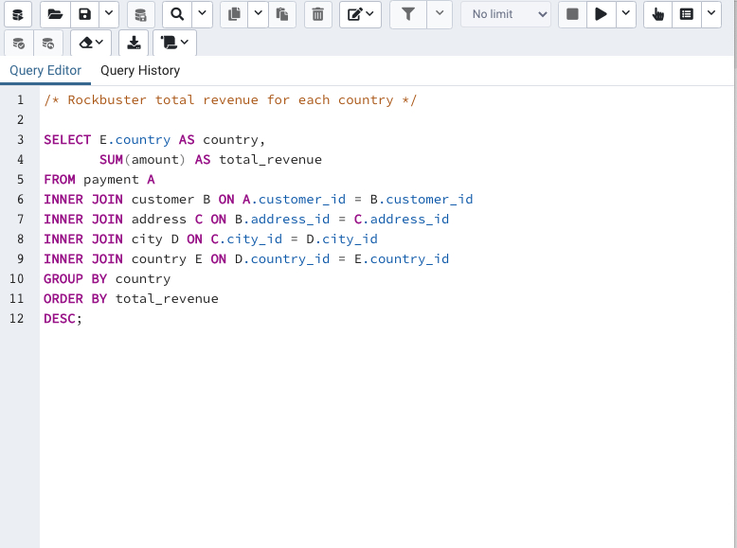
country | total_revenue
India | $6,034.78
China | $5,251.03
United States | $3,685.31
Japan | $3,122.51
Mexico | $2,984.82
Brazil | $2,919.19
Russian Federation | $2,765.62
Philippines | $2,219.70
Turkey | $1,498.49
Indonesia | $1,352.69
Nigeria | $1,314.92
Argentina | $1,298.80
Taiwan | $1,155.10
South Africa | $1,069.46
Iran | $877.96
United Kingdom | $850.96
Poland | $786.16
Italy | $753.26
Germany | $741.24
Vietnam | $676.45
Ukraine | $675.53
Colombia | $661.54
Egypt | $659.48
Venezuela | $632.43
Canada | $559.70
Netherlands | $557.73
South Korea | $527.77
Spain | $513.80
Yemen | $473.93
Pakistan | $473.84
Saudi Arabia | $452.94
Peru | $407.01
Thailand | $401.08
Israel | $379.13
Ecuador | $369.18
Bangladesh | $353.19
Algeria | $349.18
France | $334.12
Malaysia | $330.23
Tanzania | $322.22
Mozambique | $315.25
United Arab Emirates | $305.25
Dominican Republic | $304.26
Chile | $303.34
Austria | $284.30
Morocco | $274.35
Paraguay | $273.40
Belarus | $271.36
Latvia | $249.43
Switzerland | $248.41
Kenya | $245.49
Yugoslavia | $233.49
Puerto Rico | $224.48
Romania | $218.42
Runion | $211.55
French Polynesia | $205.52
Greece | $204.54
Sudan | $202.51
Azerbaijan | $198.53
Bulgaria | $194.52
Kazakstan | $192.51
Angola | $187.55
Cameroon | $186.49
Myanmar | $179.53
Cambodia | $179.51
Bolivia | $178.56
Congo, The Democratic Republic of the | $168.58
Oman | $161.56
Holy See (Vatican City State) | $146.68
Nauru | $143.70
Sweden | $139.67
Czech Republic | $132.72
Moldova | $127.66
Turkmenistan | $126.74
Chad | $122.72
Malawi | $121.73
Zambia | $121.70
Virgin Islands, U.S. | $121.69
Greenland | $119.72
Armenia | $118.75
Gambia | $114.73
Iraq | $111.73
Hungary | $111.71
Bahrain | $108.76
North Korea | $107.71
Brunei | $107.66
Kuwait | $106.75
Estonia | $105.72
Hong Kong | $104.76
Sri Lanka | $103.73
Liechtenstein | $99.74
Anguilla | $99.68
French Guiana | $97.80
Faroe Islands | $96.76
Senegal | $95.76
Nepal | $93.83
Tuvalu | $93.78
Madagascar | $92.79
Ethiopia | $91.77
New Zealand | $85.77
Slovakia | $80.77
Finland | $78.79
Tunisia | $73.78
Afghanistan | $67.82
Tonga | $64.84
Saint Vincent and the Grenadines | $64.82
Lithuania | $63.78
American Samoa | $47.85

Top10customerspayment
customer_id | first_name | city | country | sum
148 | Eleanor | Saint-Denis | Runion | 211.55
526 | Karl | Cape Coral | United States | 208.58
178 | Marion | Santa Brbara dOeste | Brazil | 194.61
137 | Rhonda | Apeldoorn | Netherlands | 191.62
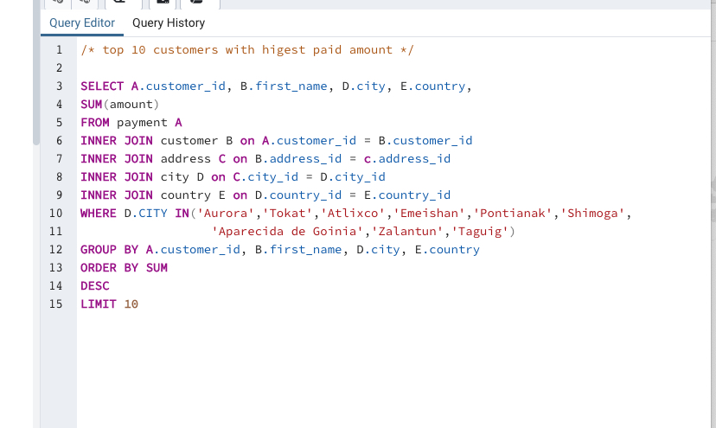
144 | Clara | Molodetno | Belarus | 189.60
459 | Tommy | Qomsheh | Iran | 183.63
181 | Ana | Memphis | United States | 167.67
410 | Curtis | Richmond Hill | Canada | 167.62
236 | Marcia | Tanza | Philippines | 166.61
403 | Mike | Valparai | India | 162.67

